Sheet5
 |  |  |  |  |  | Pricing
 | Bronze | Silver | Gold |  | Fraud Check | $0.85
FICO Risk Scoring | x | x | x |  | Fraud Risk Scoring
Off the Shelf Credit Model |  | x
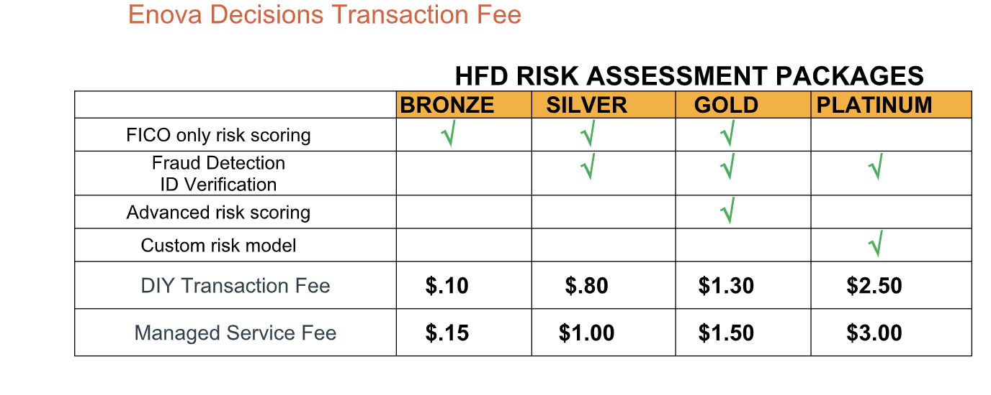
Tailored Custom Credit Model |  |  | x
Pricing | $0.15 | $

 | Credit Options | Fraud Options
 | FICO Risk Scoring | Intial Fraud Check
 | Advanced Risk Scoring | Advanced Fraud Scoring
 | Off the Shelf Model | Off the Shelf Model

 | Tailored Custom Client Specific Solution
 | Tailored Custom Model | Tailored Custom Model

 |  |  | What does IDA charge
 |  |  | identity, fraud score, risk score
 |  |  | FICO Plus Pricing

*'FICO Risk Pricing' is the API Call cost to EDC

$0.15 | 0.15 | 1 | 1.5 | 1.75
FICO Risk | P1 | P2 | P3 | P4 |  | A la carte | Pricing
 | FICO Risk Scoring | FICO Risk Scoring | FICO Risk Scoring | FICO Risk Scoring |  | Initial Fraud Check | $0.85
 |  | Initial Fraud Check | Initial Fraud Check | Initial Fraud Check |  | Advanced Fraud Scoring | $0.50
 |  |  | Advanced Fraud Scoring | Off the Shelf Model |  | Off the Shelf Model | $0.75

$0.65 | 0.65 | 1.5 | 2 | 2.25
FICO Plus | P5 | P6 | P7 | P8
 | FICO Plus | FICO Plus | FICO Plus | FICO Plus
 |  | Initial Fraud Check | Initial Fraud Check | Initial Fraud Check
 |  |  | Advanced Fraud Scoring | Off the Shelf Model

$1.40 | 1.4 | 2.35 | 2.75 | 3
Off the Shelf Model | P9 | P10 | P11 | P1
 | Off the Shelf Model | Off the Shelf Model | Off the Shelf Model | Off the Shelf Model
 |  | Initial Fraud Check | Initial Fraud Check | Initial Fraud Check
 |  |  | Advanced Fraud Scoring | Off the Shelf Model

